_AMQ SNEAKERS SS26
REPORT DATE

IMAGE | SKU | BRAND | SEASON | PRODUCT | COLOUR DESCRIPTION | GENDER | CATEGORY | SUB CATEGORY | WHS / COST PRICE | RETAIL PRICE | TOTAL COST | TOTAL RETAIL | Sizes / Available quantitites / Desired quantities
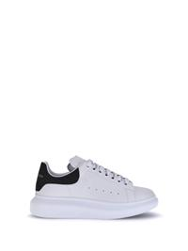 | 553680WIAIG_9061 | ALEXANDER McQUEEN | SS26 | Sneakers in pelle | WHITE/BLACK | UOMO | SCARPE | SNEAKERS | € 263.20 | € 500.00 | € 0.00 | € 0.00 | TOTAL QUANTITY | 40.5 | 41 | 41.5 | 42 | 42.5 | 43 | 43.5
 |  |  |  |  |  |  |  |  |  |  |  |  | 529 | 22 | 147 | 6 | 142 | 95 | 93 | 24
 |  |  |  |  |  |  |  |  |  |  |  |  | 0 | 0 | 0 | 0 | 0 | 0 | 0 | 0
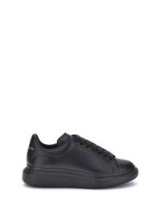 | 553680WWAAN_1002 | ALEXANDER McQUEEN | SS26 | Sneakers in pelle | BLACK/BLACK | UOMO | SCARPE | SNEAKERS | € 263.20 | € 500.00 | € 0.00 | € 0.00 | TOTAL QUANTITY | 40.5 | 41 | 41.5 | 42 | 42.5 | 43 | 44
 |  |  |  |  |  |  |  |  |  |  |  |  | 62 | 9 | 19 | 6 | 8 | 1 | 9 | 10
 |  |  |  |  |  |  |  |  |  |  |  |  | 0 | 0 | 0 | 0 | 0 | 0 | 0 | 0
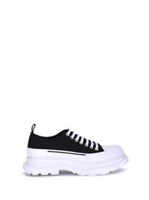 | 705660W4AAQ_1070 | ALEXANDER McQUEEN | SS26 | Sneakers Tread Slick | BLACK/WHITE | UOMO | SCARPE | SNEAKERS | € 275.00 | € 550.00 | € 0.00 | € 0.00 | TOTAL QUANTITY | 40 | 40.5 | 41 | 41.5 | 42 | 42.5 | 43 | 43.5 | 44
 |  |  |  |  |  |  |  |  |  |  |  |  | 183 | 10 | 10 | 30 | 25 | 29 | 29 | 30 | 10 | 10
 |  |  |  |  |  |  |  |  |  |  |  |  | 0 | 0 | 0 | 0 | 0 | 0 | 0 | 0 | 0 | 0
 |  |  |  |  |  |  |  |  |  |  |  |  | 774

